Hiearchy View
CLASS: PILE
located offshore in deeper water. It is then connected to the shore at one or more points by pile-supported trestles. |  | 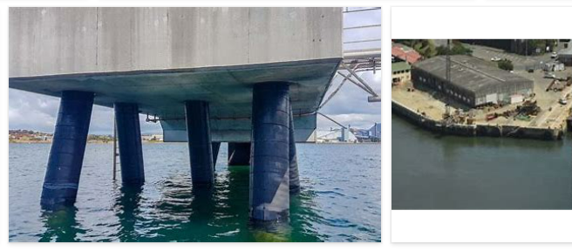
REMOVE | N

PROBLEM_DESC | CAUSE_DESC | REMEDY_DESC
ALARM/SENSOR
BROKEN/DAMAGED
OTHER PROBLEM
OVERHEATING
PESTS
PRESSURE
STOPPED/SLOWED/POOR OPS
VIBRATION
Grand Total

